BLDC
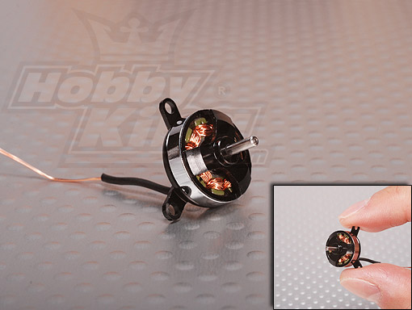
구입처 | HobbyKing |  | HobbyKing |  | Banggood
모델 | AP-02 |  | AP-03 |  | Emax PM1306
KV(rpm/V) | 7000 |  | 7000 |  | 2800
Prop | 2508 | 3.7V, 0.9A, 추진력 19g(0.19N) |  |  | 4040 | 7.4 V, 3.6 A, 추진력 90g(0.88N)
 | 3020 | 3.7V, 1.8A, 추진력 27g(0.26N) | 3020 | 3.7V, 2.1A, 추진력 44g(0.43N) | 4540 | 7.4 V, 3.9 A, 추진력 130g(1.27N)
A(max) | 2 |  | 3
A(burst) | 2.5(10 sec) |  | 4.0(10 sec)
Weight(g) | 2.3 |  | 3.1 |  | 13
Shaft Dia | 1.5 mm |  | 1.5 mm
Shaft Length | 4.0 mm |  | 6.0 mm
Dim. | 13 x 8 mm |  | 13 x 10 mm |  | ? X 18.3 mm
가격 | $20.00 |  | $18.00 |  | $6.60

